Work Package Detail
 |  |  |  |  |  |  |  |  | REDLINE
 |  | NAME | XXXX |  |  |  | DISTRICT | Area 4
 |  | DATE |  | 2022-06-14 | On Site: | 11:00:00 | Off Site: | 14:45:00
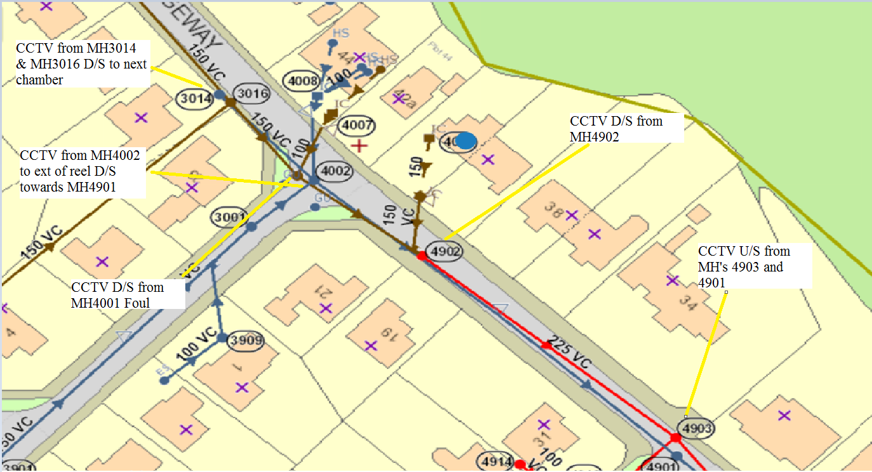
Address |  | The Ridgeway |  |  |  | Affected properties
Postcode |  | SK12
Date of Original Incident
Size of Pipe (select)
Approx Survey Length (select)
Impact (select)
Customer Name( if known) |  | No Customer Contact
Customer Contact Number
4001
Structural Survey (select) |  | Not Required
TM Requirements |  | Yes
Access Restrictions |  | No issues
Pre-site reqiuired |  | No
 | Overpumping/ Draw off? | No |  |  |  | Original WO
Original Wirs ID
 | Email | XXXX
Instruction
Please CCTV and HPWJ as required from SW and Foul sewers downstream from (SW MH 3014 , MH 4002, & MH4901) and (Foul/Combined MH3016, MH 4001, MH4902 & MH4903) Please see sketch. No customer contact as on the public highway. Sewer is also on for an annual Fast Pass and Clean September of each year.

Comments/Further Info

We arrived on site and set up chapter 8 . We then located 4901 and 4903 at fop 32 . Next , we set up a barrier and lifted the cover of 4903 . Chamber and line clear . Cctv taken from 4903 u/s approx 36m 225mm , all clear . We then moved to 4901 , set up a barrier and lifted the cover . Chamber and line clear . Cctv taken from 4901 u/s approx 36m 225mm , all clear . Next , we moved to 4902 and set up again . We then set up a barrier and lifted the cover . Concrete found in the chamber and line at 4902 . We then removed the concrete from the chamber and line using hand tools , see photo's . Cctv taken from 4902 d/s approx 36m 225mm , all clear . Next , we moved to 4002 and set up once again . We then set up a barrier and lifted the cover . Chamber and line clear . Cctv taken from 4002 d/s approx 35m 225mm . At approx 25m the camera went under water . At approx 35m the camera would go no further due to roots in the line , see cctv . We then moved to 4001 , set up a barrier and lifted the cover . Chamber and line clear . Cctv taken from 4001 d/s approx 38m 225mm , all clear . Next , we moved to 3016 and set up once more . We then set up a barrier and lifted the cover . Chamber and line clear . Cctv taken from 3016 d/s to 4001 approx 15m 225mm , all clear . Finally , we moved to 3014 . We then set up a barrier and lifted the cover . Chamber and line clear . Cctv taken from 3014 d/s approx 20m , silt found . To remove the roots and clean the line , we then went to fill up with water . We then returned to the site and set up at 4002 . 225mm cleaned by hpwj from 4002 u/s approx 40m to remov silt . After hpwj , we then removed the silt from the line using suction and gulley grabs , see photo's . We then cleaned the 225mm line d/s approx 35m to remove the roots . We then took cctv of the line once more , from 4002 d/s to end of reel approx 38m 225mm . We were able to restore flow and remove most of the roots , see cctv . Some root remained as this appears to be coming from a

Sketch
cctv taken from 3016 d/s to 4001 15m 225mm , all clear , also cctv taken from 3014 d/s approx 20m 225mm , silt found , see cctv . line cleaned by hpwj then re cctv
Insert Plan (new findings - use paint)

cctv taken from 4001 d/s approx 38m 225mm , all clear . also , cctv taken from 4002 d/s approx 35m 225mm , roots found , see cctv line cleaned by hpwj then re cctv

4001

roots

cctv taken from 4902 d/s approx 36m 225mm all clear . concrete found in line at chamber of 4902

cctv taken from 4903 u/s approx 36m 225mm , all clear . also , cctv taken from 4901 u/s approx 36m 225mm , all clear

Photos
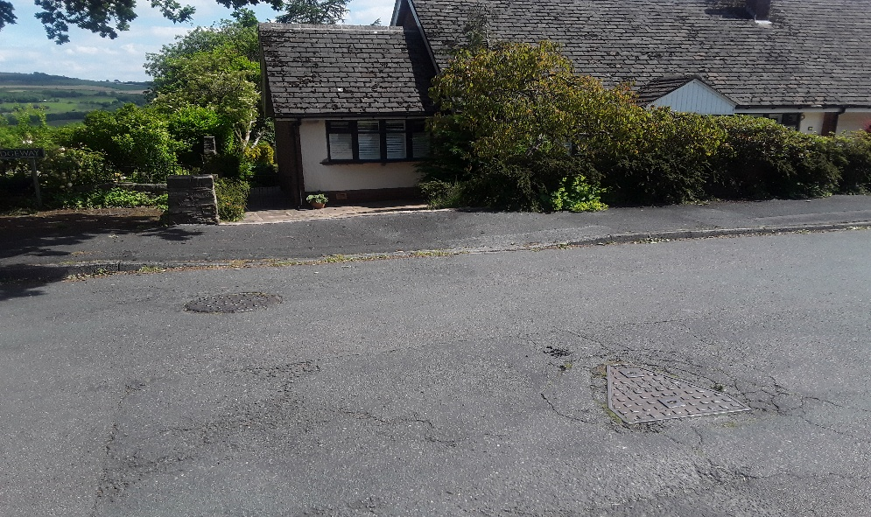
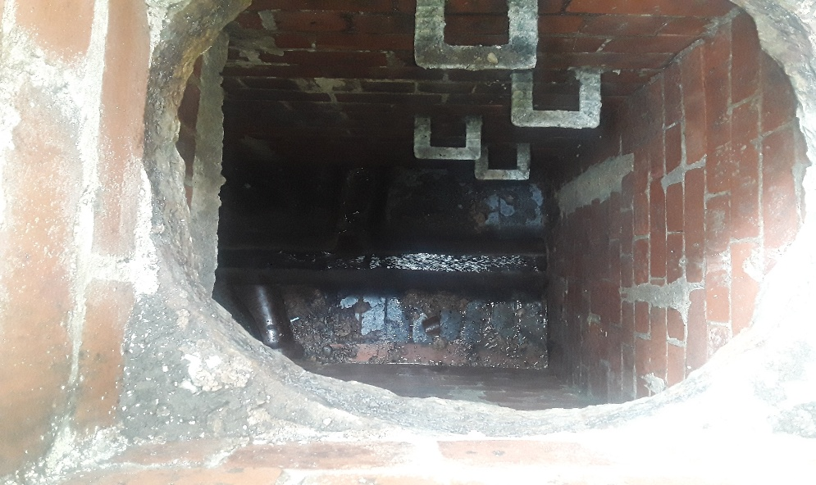

Photo 1: | 4901 + 4903 at fop 32 |  | Photo 2: | chamber and line at 4903
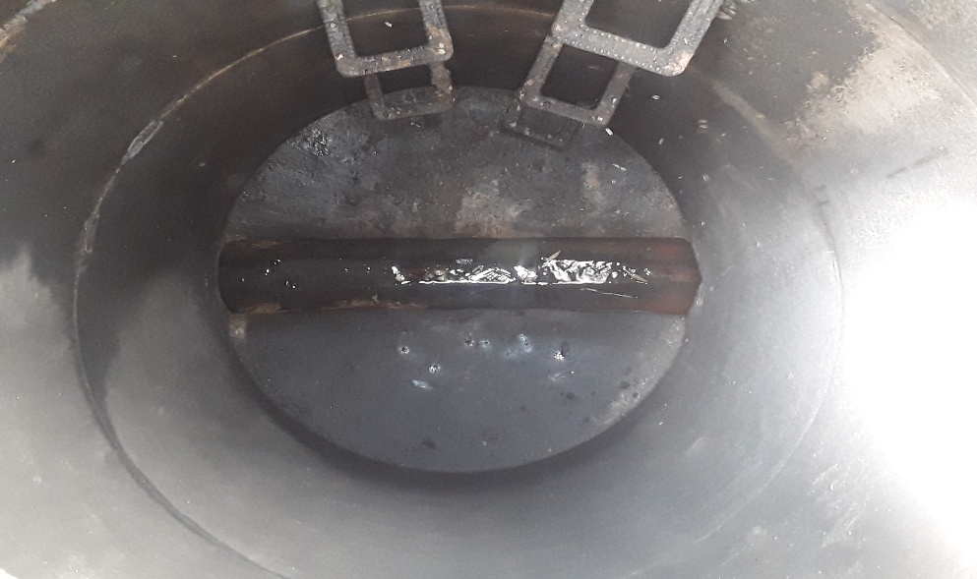
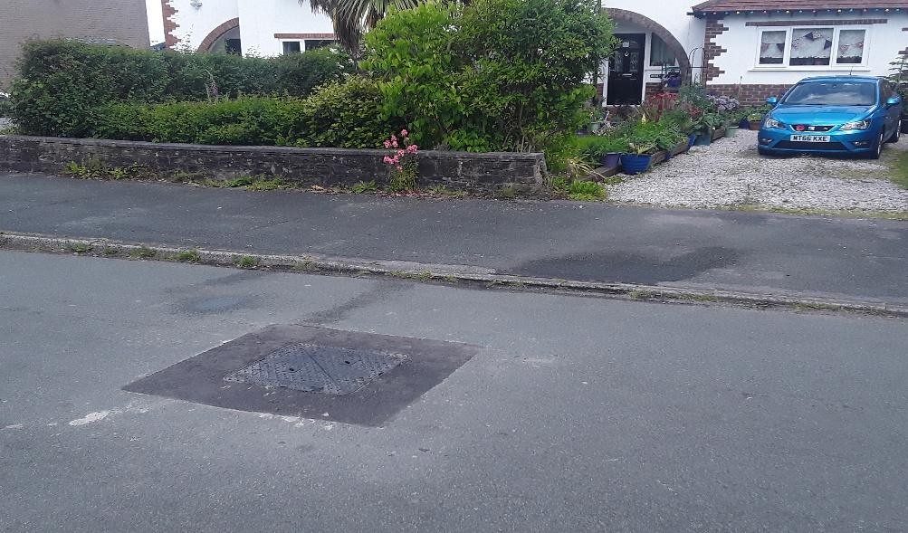

Photo 3: | chamber and line at 4901 |  | Photo 4: | 4902 at fop 40
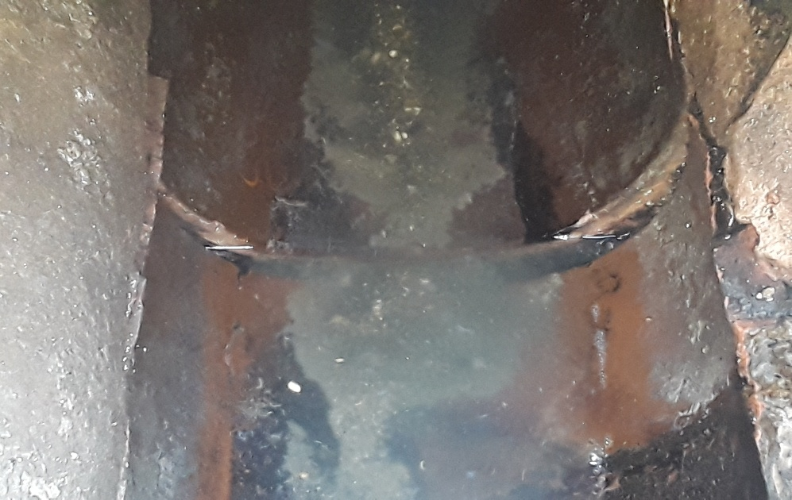
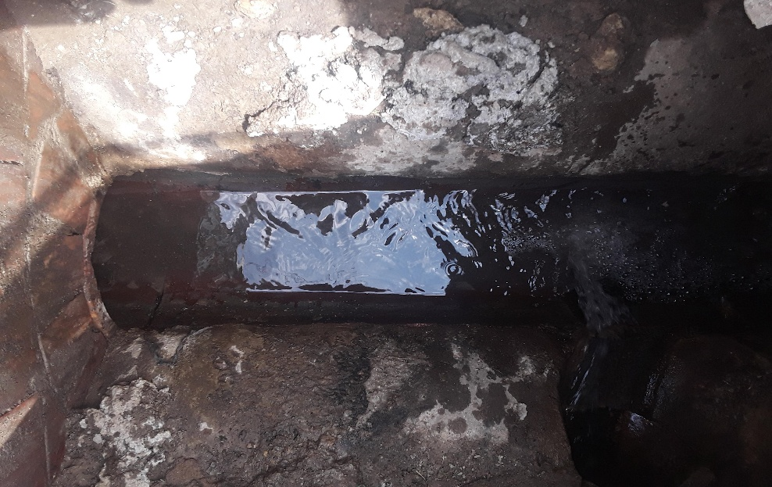

Photo 5: | chamber and line at 4902 |  | Photo 6: | displacement found in line at 4902
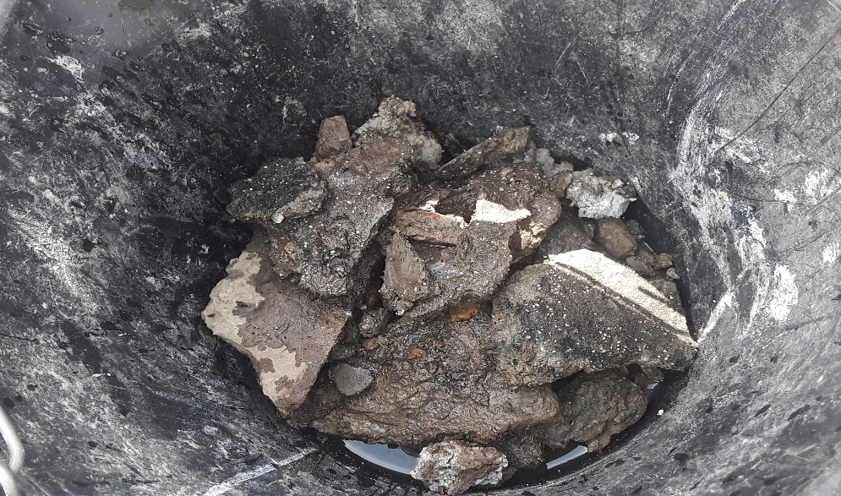
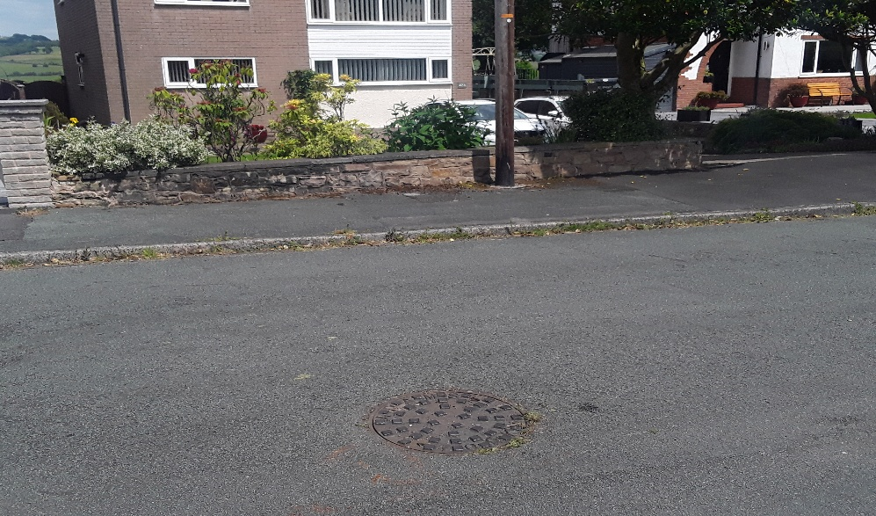

Photo 7: | concrete removed from line at 4902 |  | Photo 8: | 4001 at fop 42a
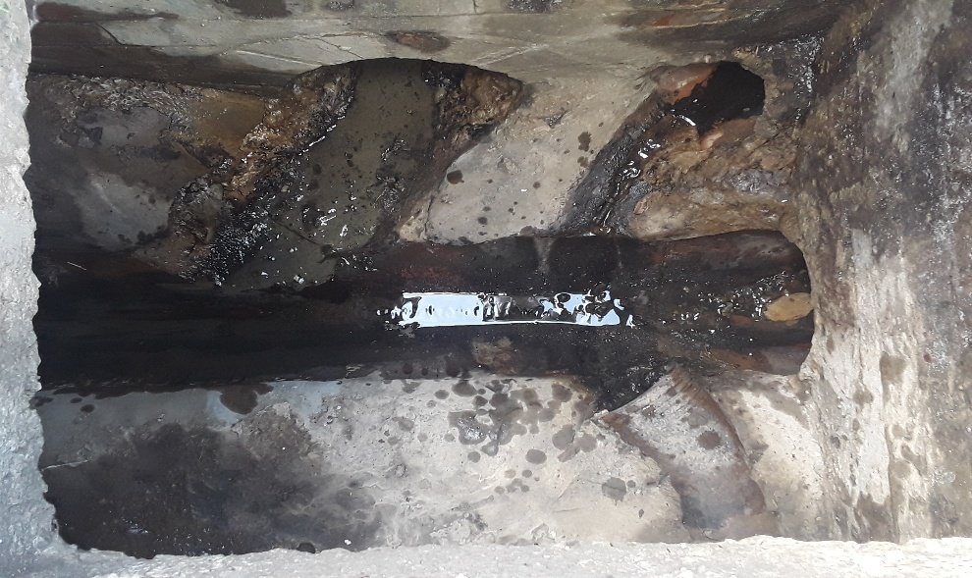
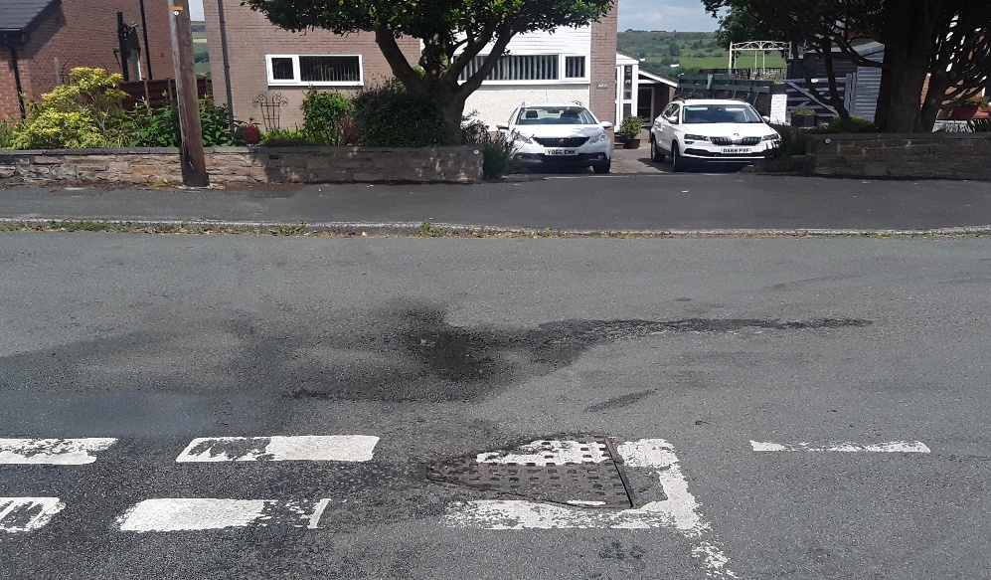

Photo 9 |  | chamber and line at 4002 | Photo 10 |  | 4002 at fop 42a
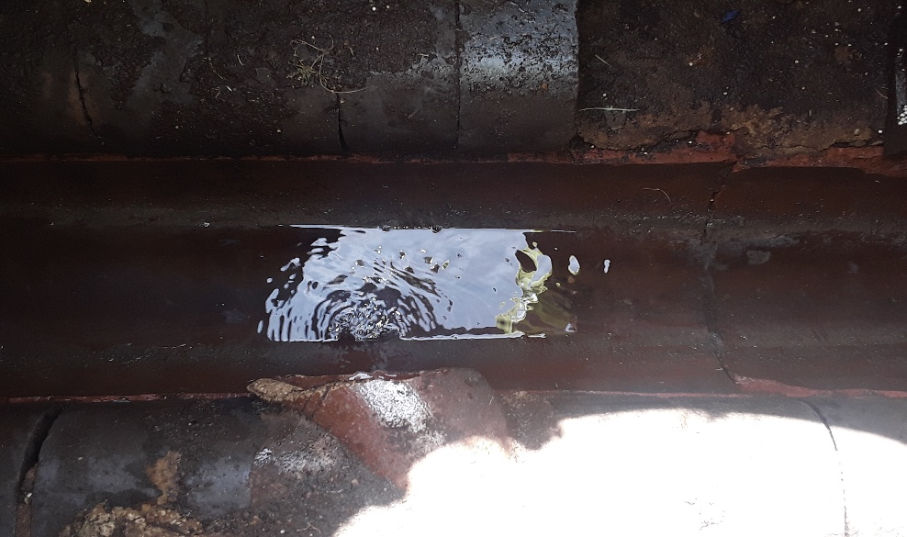
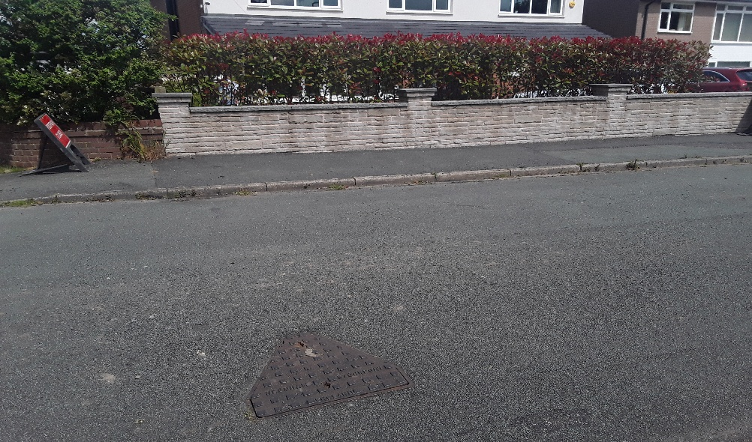

Photo 11 |  | chamber and line at 4001 | Photo 12 |  | 3016 at fop 44
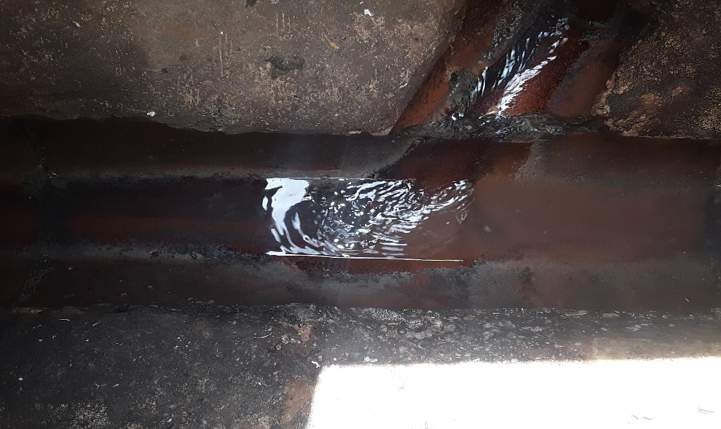
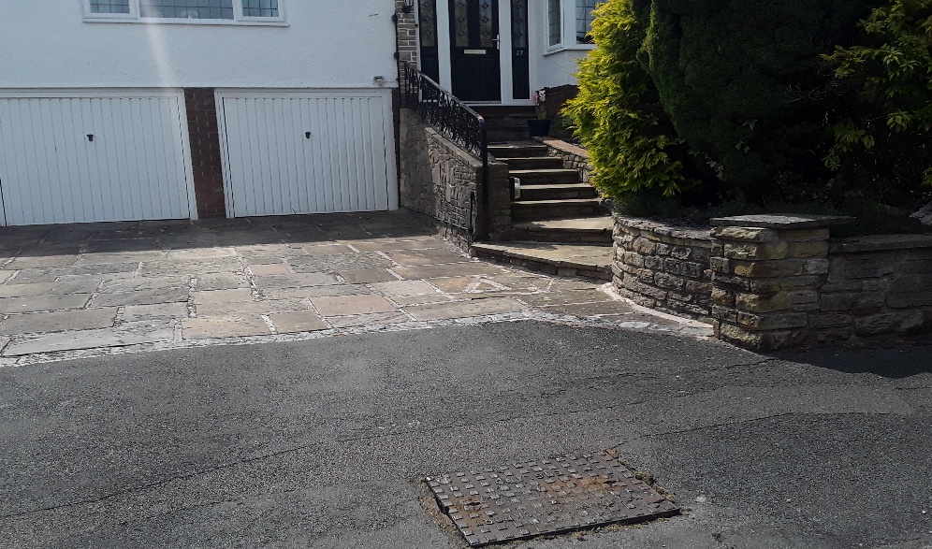

Photo 13 |  | chamber and line at 3016 | Photo 14 |  | 3014 at fop 27
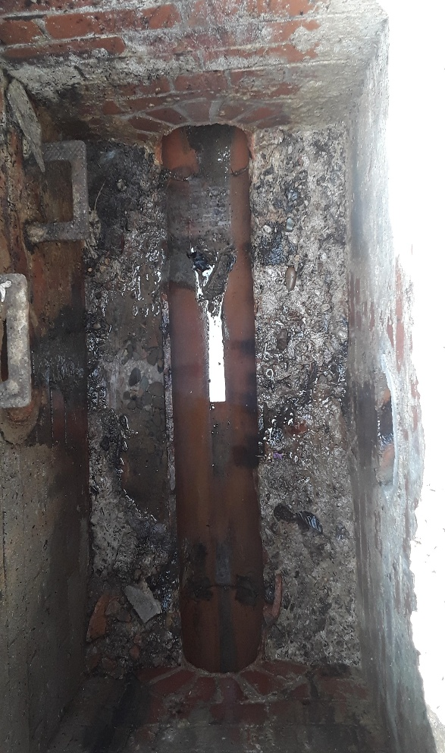
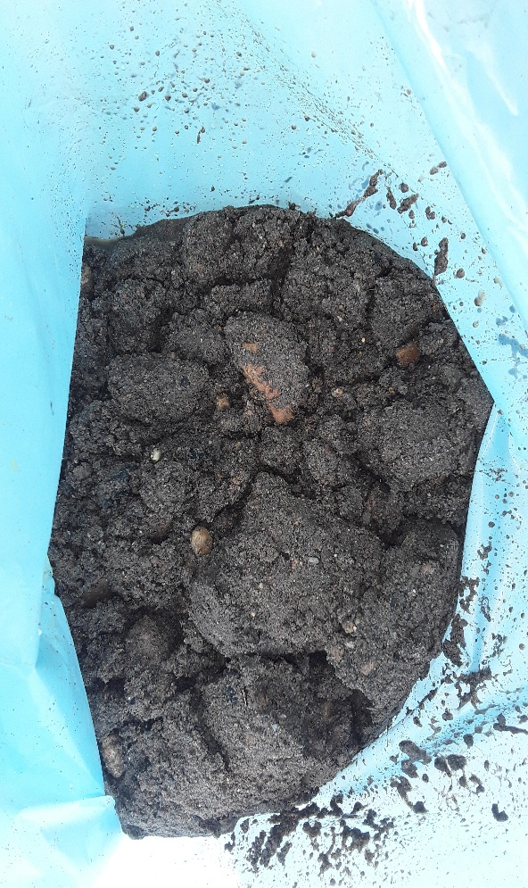

Photo 15 |  | chamber and line at 3014 | Photo 16 | silt removed from 225mm line at 4002

